Twist Instructions
TWIST CUSTOM PANEL - METHYLATION DESIGN INTAKE FORM
___________________________________________________________________________________________________
At Twist Bioscience, we combine precise oligonucleotide synthesis with a scalable silicon-based manufacturing platform to generate high-performing probe panels for NGS target enrichment. We complement this powerful technology with proprietary design algorithms and a rapid iteration pipeline to enable the quick custom design, synthesis, and optimization of panels. Twist Custom Panels can be designed and built to cover a wide range of species, panel sizes, target regions, and complex design requirements — all with exceptional and consistent performance. This intake form is to be filled with the targets you would like to capture in your Twist Custom Panel. We offer highly specialized design strategies depending on the targets and application type. This form is to be used for Methylation (CpG) applications. Methylation panels are meant to be used for enrichment of targets after conversion (pre-capture conversion). If you would like to capture libraries before conversion (post-capture conversion), please use the DNA intake form.
These custom panel design requests are handled by an expert team of bioinformatic scientists with strong genomics backgrounds. Through our whiteglove service, each design is thoughtfully made and highly customized to fit your exact needs. Therefore, we require design request submissions be fully finalized before the requests are submitted. Please let your sales representative know if you would like to schedule a pre-design consultation with a bioinformatic FAS to discuss your design before submission.
Twist Instructions Tab (required) = Contact details: Use this section to fill in the name and shipping address of the customer. This is the information used to generate a quote and shipping documents. General panel information: Use this section to fill out your preferred panel name, species, and genome build of your panel design (Built-in supported genomes (Human (hg19/hg38/t2t), Mouse (mm10), Rat (rnor6), Canine (CanFam3), or Rhesus Macaque (rhemac10). Custom genomes are also supported, but may have a longer turnaround time.)
 | 

For more detailed information on our white glove custom panel design, visit our website.

Contact details
Name
Company / Department
Phone
Email Address
General Panel Information
Panel Name
Species
Genome Build
TWIST Bioinformatics Team

FRM-001373v2.3

Design Instructions
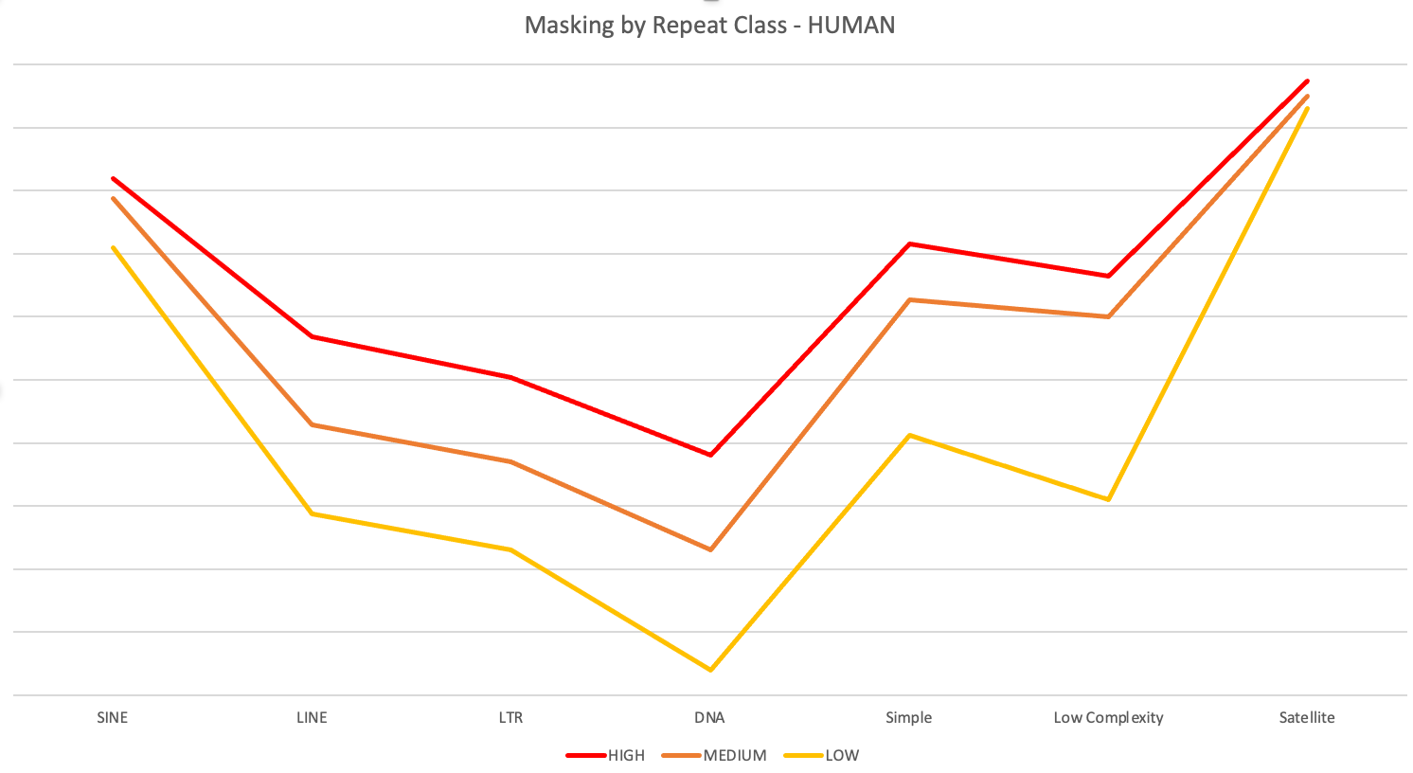
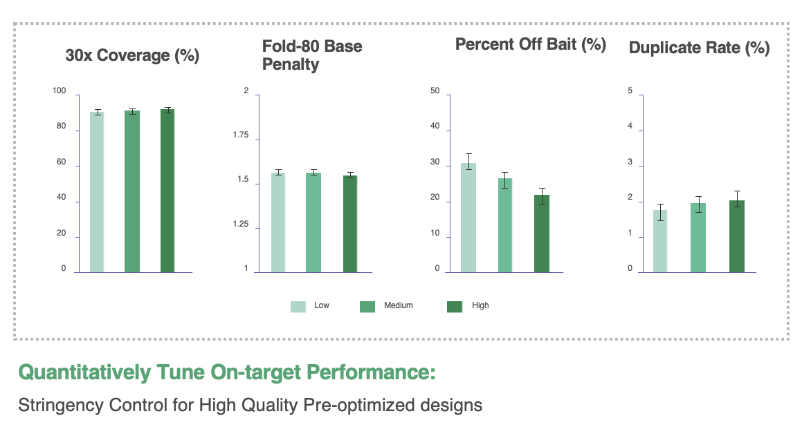
Design Instructions Tab (required):
Experiment Type: Methylation - library conversion before capture (for standard DNA or RNA experiments, download the corresponding form).
Application Type: Field of study or goal of the experiment.
Prior Design ID (for redesigns): If redesigning a previous panel, enter the prior design ID (e.g., MTE-91234567) found in the design report.
Add Previous Targets of Prior Design ID?: For redesigns, choose YES to add new targets to all original targets from the previous design; choose NO to proceed with a new set of targets or deletions.
Panel Spike-in: Design a custom panel to be used as a "spike-in" into a main fixed panel or custom panel during the wet lab protocol.
Base Panel Name or TE Number: Provide the main custom panel design ID or choose from fixed panel content options. Overlapping targets will be subtracted to ensure unique targets in the spike-in panel.
Distance from Base Panel considered already covered (bp): Add padding to the end of probes targeting regions in the base panel to cover adjacent spike-in content without additional probes. Use 0bp for direct coverage (default); 0-30bp for advanced users.
Additional Information: Provide any additional details for the design team.
Apply Filters for Repetitive Sequences:
To optimize panel performance and minimize off-target binding, choose a repeat filtering level:
High Stringency: Reduces overall target coverage but offers the best on-target metrics.
Medium Stringency (Default): Balances target coverage and minimizes off-target effects.
Low Stringency: Maximizes target coverage but may increase off-target effects.
No (not reccomended) : Over ride the reapeat filter completely for all target regions submitted. This is not advised due to the potential impacts to off-target rate.
Remove Filters in Specific Regions:
If you need 100% coverage in specific regions, Twist designers can override the repeat filter. Provide chromosome, start, and stop positions for this option. This is not advised due to the potential impacts to off-target rate.
The graph below illustrates the relative masking across repeat classes in human for the three stringencies, including the Twist legacy filter. Note that all three stringencies remove highly repetitive content, balancing target coverage and on-target rate.
Design Instructions |  |  | Tab Instructions
Experiment Type | Methylation
Application Type | Please select one of the options from the drop-down menu
For redesigns, what is the prior design ID?
For redesigns, add previous targets of prior design ID?
Panel Spike-in | No (default option)
Base Panel Name or TE number: | Methylome
Distance from Base Panel considered already covered (bp): | 0
Please provide any additional information regarding your panel design:

 |  |  | Exon Aware (default option) | Non Exon Aware
 |  |  | rRNA only (default option) | Low complexity
 |  |  | Non-targeted transcripts | No Filter
 |  |  | Low complexity
 |  |  | No Filter

Apply filters for repetitive sequences | Yes - Medium stringency (default option) | Warning - this may increase off-target rate
Chr | Start | Stop

Methyl Coordinates
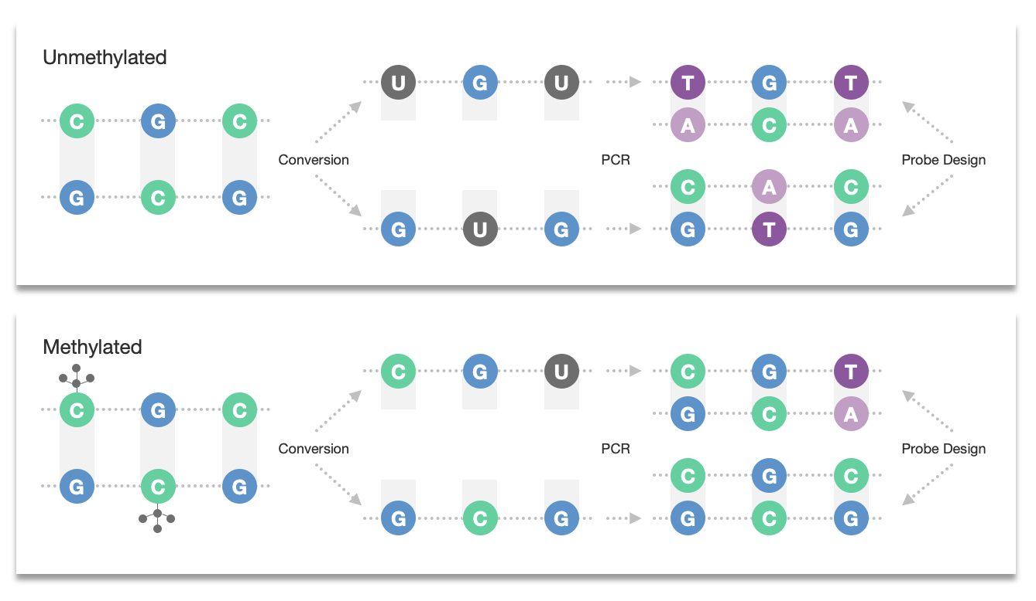
Genomic Coordinates Tab (optional):
Purpose: Use this tab to target specific regions in the genome. Coordinates should match the genome build specified on the Twist Instructions tab and be 0-based, like in BED files.
Extract only CpG sites from submitted coordinate: Default is to target the whole region specified by chromosome, start, and stop positions. Choose YES from the dropdown to target only CpG sites within these regions. Probes are 120bps, so multiple CpGs can be covered by one probe.
Columns:
chr: Chromosome of the target location (use "chr1" format).
start: 0-based start position of the target location.
stop: 0-based stop position of the target location.
Annotation: Provide an annotation for your target.
Notes: Any additional notes.
Tiling: Indicates forced overlap between probes. Default is 1X tiling with no forced overlap. Higher tiling levels place more probes per base pair, inflating the capture/design space as probes start past the target start and stop.
probe species: Methylation panels target different species of converted methylation-DNA. Default includes both fully methylated (CpG and CH->TH) and fully unmethylated (CpG -> TpG and CH->TH) species. Specify if the panel should target only fully methylated, only fully unmethylated, or both species per line.
Coordinates are expected to be 0-based, like in BED files. Optional fields are marked with an asterisk* |  |  |  |  | Tab Instructions
Extract only CpG sites from submitted coordinates: | No (default option)
chr | start | stop | Annotation* | Notes*(tiling, probe species, etc.)

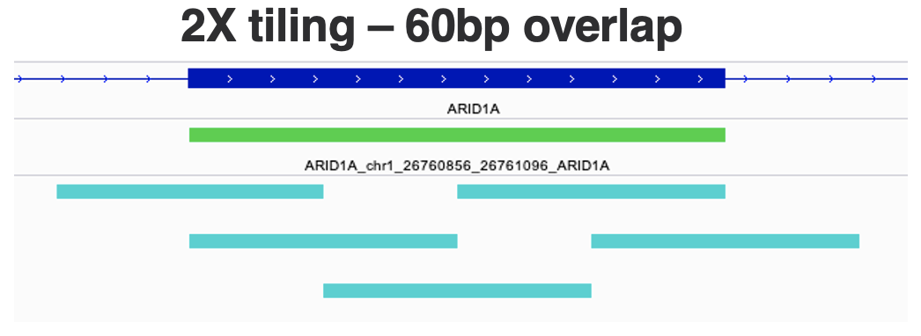
 |  |  |  |  | Exon Aware (default option) | Non Exon Aware
 |  |  |  |  | rRNA only (default option) | Low complexity
 |  |  |  |  | Non-targeted transcripts | No Filter
 |  |  |  |  | Low complexity
 |  |  |  |  | No Filter

FASTA
FASTA Tab (optional):
Purpose: Use this tab to target exact sequences, such as control sequences or sequences outside the main genome.
Columns:
Apply Low Complexity Filter: Screen probes against low complexity regions of the genome to avoid errors in sequencing/QC. Low complexity regions have simple sequence repeats that can cause issues.
FASTA: Input sequences into each line. Sequences must be at least 120bps and contain only A, G, C, or T.
Accession ID: Input accession IDs from common databases instead of sequences.
notes: Any additional notes.
Tiling: Indicates forced overlap between probes. Default is 1X tiling with no overlap. Higher tiling levels place more probes per base pair, inflating the capture/design space as probes start past the sequence start and stop.
Probe species: Methylation panels target different species of converted methylation-DNA. Default includes both fully methylated and fully unmethylated species. Specify if the panel should target only fully methylated, only fully unmethylated, or both species per line.
Unconverted: Add this to the notes for each sequence if you want probes to match the exact sequence provided without conversion. This is used if control sequences are added after conversion.
FASTA files can be sent directly as an attachment, or can be pasted below. Optional fields are marked with an asterisk* Please note that the sequences should be a minimum of 120bp. |  |  | Tab Instructions
Apply Low Complexity Filter: | No (default)
FASTA* | Accession ID* | notes (tiling, probe species, unconverted)

Gene (Human Only)
Gene Tab (optional, Human only):
Purpose: Use this tab to list the gene names you want to target. This tab is for when you don't have specific coordinates and need Twist designers to curate targets for you.
Regions to target within gene: Dictates which regions within your genes will be curated for the panel design.
Extract Twist Methylome sites within gene: Uses the Twist Human Methylome fixed panel to extract overlapping regions within gene boundaries, including a mix of larger target coordinates and individual CpG sites, but not all possible CpG sites.
Extract all CpG sites within gene: Targets all CpG sites within gene boundaries, important for epigenetic regulation.
Both: Targets all Methylome sites and all CpG sites within gene boundaries.
Padding: Extends the boundary of your target region for each gene by +/- 1kb from the transcription start and stop positions (default). Choose "other" and specify a custom padding amount to deviate from the default.
Columns:
Gene Name: List the gene names to be targeted. Must be approved gene symbols or gene IDs from a supported database.
notes: Any additional notes.
Tiling: Indicates forced overlap between probes. Default is 1X tiling with no forced overlap. Higher tiling levels place more probes per base pair, inflating the capture/design space as probes start past the gene start and stop.
Probe species: Methylation panels target different species of converted methylation-DNA. Default includes both fully methylated (CpG and CH->TH) and fully unmethylated (CpG->TpG and CH->TH) species. Specify if the panel should target only fully methylated, only fully unmethylated, or both species per line.
Default settings, applied to all the genes (overridden by gene specific settings) |  | Tab Instructions
Regions to target within gene: | Extract Twist Methylome sites within gene (default option)
Padding: | 1kb from gene boundaries (default option)
Gene List (Human Only, optional fields are marked with an asterisk*)
Gene Symbol (NCBI approved) | notes (tiling, probe species, etc.)

